Sheet1
Facebook newsfeed

Database design
Detailed Component Design
Requirement
Capacity Estimation and Constraints
High Level Design

Feed Ranking
functional
non-functional
User
Entity (page)
UserFollows
FeedItem
feedMedia
media
Feed Generation
Feed Publishing
- users can watch recent stories from their following friends
- feed can contains videos,photos and text
- service should support appending new posts as they arrive for all active user
- newsfeed generated based on people,pages or groups
feed generation
feed publishing
1- high uptime (availability)
2- highly reliable
3- min latency (up to 2000ms)
System APIs
1- retrieve ids of all users and entities that mamad follows
2- retrieve latest or popular posts of these ids
3- rank these posts (based on relevance,date or etc.)
4- store them in cache
5- on the frontend when mamad reach to 20 post, can watch others by pressing next button
based on creation date
based on
calculated score based from likes , comments , has video + photo or not and etc
id
fullName
addedDate
isDeleted
id
Title
Description
addedDate
isDeleted
id
userId1
userId2
id
userId
title
description
addedDate
id
feedId
mediaId
id
title
fileContent
description
path
lat
long
addedDate
Offline generation
getUserFeed (api_dev_key , userId, sinceId, feedCount, max_id, pageIndex)
return JSON of feeds
Pull
web server
app server
metadata db and cache
post db and cache
video and photo storage and cache
newsfeed generation service
notification service
Push
Hybrid
cache in keyvalue storage like LinkedHashMap or TreeMap where key : userId
value : listOfFeedItems + datetime
problems :
1) user should wait until call pull request
2) empty response
long poll request
problem : user with huge count of followers
push to notify
pull for serve

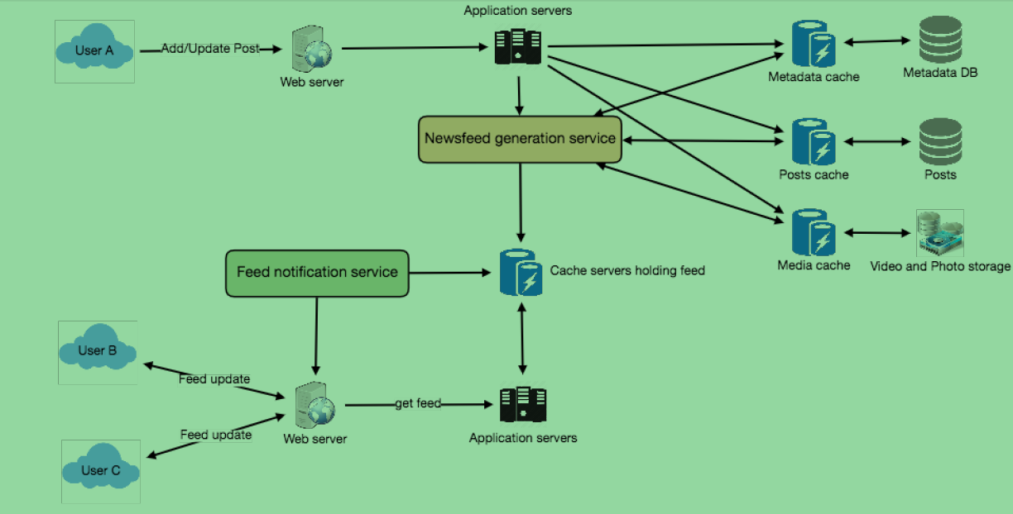
How many feed item should be store in memory (cache)? as usually user check 10 pages having 20 feed, we can store 200 feed for them
should we generate newsfeed for all users ? based on user login activity we can use 2 pattern :
1) LRU (postpone users with least recent use)
2) cache based on user login times which is more intelligent (during time of day or days of month)

Data Partitioning

Sharding feed data
Sharding post and metaData

80-20
LRU
cache
based on userId

use consistent hashing

